Q6 JMC 290620 &revised_whatsapp
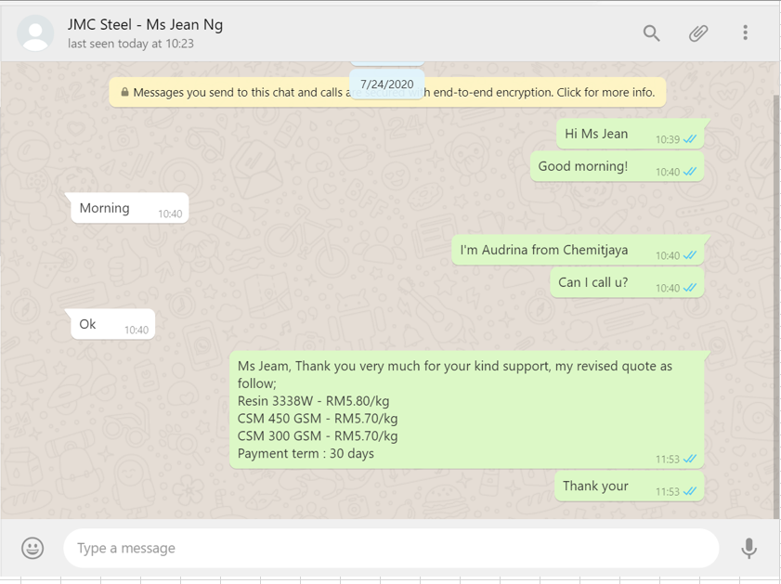
 |  |  |  |  |  |  |  |  | Chemitjaya Sdn Bhd (1354311-X)
 |  |  |  |  |  |  |  |  | No. 9480, Jalan Jinjang Aman 5
 |  |  |  |  |  |  |  |  | Jinjang Utara, Jinjang
 |  |  |  |  |  |  |  |  | 52000 Kuala Lumpur
 |  |  |  |  |  |  |  |  | Email : chemitjaya@gmail.com

Quotation

Company Name |  | : | JMC Steel Engineering Sdn Bhd |  |  | Quotation No | : | Q2020/00000006
Company No |  | : |  |  |  | Date | : | 29/6/2020
 |  |  |  |  |  | Quotation Validity | : | 2 Weeks
Deliver To |  | : | AL 232A, Lot 2667 (878) |  |  | Payment Term | : | Cash
 |  |  | Kg Baru Sungai Boluh
 |  |  | Seksyen U19
 |  |  | 40160 Shah Alam

Attn |  | : | Ms Jean Ng
Tel |  | : | 018-5749883

We are please to submit herewith our quotion for your perusal.

Item | Description |  |  | Quantity |  | Unit Price |  | Amount (RM)

1 | RA Resin 3338W |  |  | 220 | Kg/Drum | 6.50 |  |  | 1,430.00
2 | RA Resin 3338NW |  |  | 220 | Kg/Drum | 6.50 |  |  | 1,430.00
3 | RA CSM 450 GSM (54kg) 1860mm(W) |  |  | 54 | Kg/Roll | 6.20 |  |  | 334.80
4 | RA CSM 300 GSM (30kg) 1860mm(W) |  |  | 30 | Kg/Roll | 6.20 |  |  | 186.00
5 | RA Catalyst Butanox M50 |  |  | 5 | Kg/Bottle | 18.00 |  |  | 90.00

Please quote our Quotation/Invoice number when making payment and remit to:
Public Bank Berhad - A/C No. 3217791107 - Swift Code : PBBEMYKL.
147, 149, 151 & 153, Jalan Rimbunan Raya 1, Laman Rimbunan, Jalan Kepong, 52100 Kuala Lumpur.

Acknowledge receipt |  |  |  |  |  | for CHEMITJAYA SDN BHD

Customer's Stamp & Signature |  |  |  |  |  | Authorised Signature

Q15 JT Johan 031020
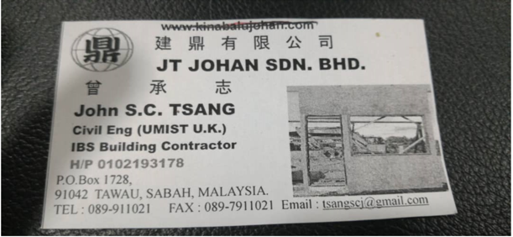
 |  |  |  |  |  |  |  |  | Chemitjaya Sdn Bhd (1354311-X)
 |  |  |  |  |  |  |  |  | No. 9480, Jalan Jinjang Aman 5
 |  |  |  |  |  |  |  |  | Jinjang Utara, Jinjang
 |  |  |  |  |  |  |  |  | 52000 Kuala Lumpur
 |  |  |  |  |  |  |  |  | Email : chemitjaya@gmail.com

Quotation

Company Name |  | : | JT Johan Sdn Bhd |  |  | Quotation No | : | Q2020/00000015
Company No |  | : |  |  |  | Date | : | 3/11/2020
 |  |  |  |  |  | Quotation Validity | : | 2 Weeks
Deliver To |  | : | P. O. Box 1728
 |  |  | 91042 Tawau,
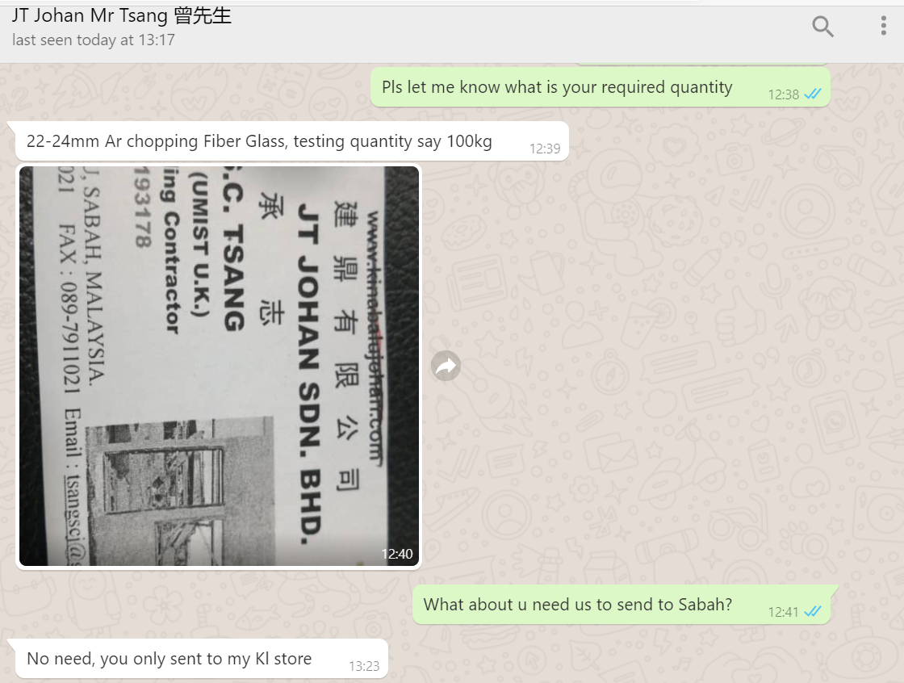
 |  |  | Sabah
 |  |  | Malaysia

Attn |  | : | IR John S.C. Tsang
Tel |  | : | 010-2193178

We are please to submit herewith our quotion for your perusal.

Item | Description |  |  | Quantity |  | Unit Price |  | Amount (RM)

1 | Alkaline resistance Chopped Strand 24MM |  |  | 18 | Kg/bags | 18.20 |  |  | 327.60

 |  |  |  |  |  |  |  |  |  | 22-24mm Ar chopping Fiber Glass, testing quantity say 100kg

Please quote our Quotation/Invoice number when making payment and remit to:
Public Bank Berhad - A/C No. 3217791107 - Swift Code : PBBEMYKL.
147, 149, 151 & 153, Jalan Rimbunan Raya 1, Laman Rimbunan, Jalan Kepong, 52100 Kuala Lumpur.

Acknowledge receipt |  |  |  |  |  | for CHEMITJAYA SDN BHD

Customer's Stamp & Signature |  |  |  |  |  | Authorised Signature

Q34 Airebus
 |  |  |  |  |  |  |  | Chemitjaya Sdn Bhd (1354311-X)
 |  |  |  |  |  |  |  | No. 9480, Jalan Jinjang Aman 5
 |  |  |  |  |  |  |  | Jinjang Utara, Jinjang
 |  |  |  |  |  |  |  | 52000 Kuala Lumpur
 |  |  |  |  |  |  |  | Email : chemitjaya@gmail.com

Quotation

Customer | : | Airebus Sdn Bhd |  |  | Quotation No | : | Q00000034
Customer No | : | C00000034 |  |  | Date | : | 11/9/2023
 |  |  |  |  | Quotation Validity | : | 1 Week
Delivered | : | Airebus Sdn Bhd
 |  | Lot 9600, Jalan DA 1, Kg Desa Aman,
 |  | 47000 Sg Boluh, Selangor

Attn | : | Ms Linda Yu
Tel | : | 016-227 0291

Item | Description |  | Quantity |  | Unit Price |  | Amount (RM)

1 |  | Resin 3338W (220Kg) | 1 | Drum | 1,738.00 |  |  | 1,738.00
2 |  | Paint Roller 4" | 1 | Pc | 48.00 |  |  | 48.00
3 |  | PVA (5Kg) | 2 | Bottle | 170.00 |  |  | 340.00

AMOUNT IN WORDS |  |  |  |  | TOTAL |  |  | 2,126.00
RINGGIT MALAYSIA : TWO THOUSAND ONE HUNDRED AND TWENTY SIX ONLY.

Please quote our Quotation/Invoice number when making payment and remit to:
Public Bank Berhad - A/C No. 3217791107 - Swift Code : PBBEMYKL.
147, 149, 151 & 153, Jalan Rimbunan Raya 1, Laman Rimbunan, Jalan Kepong, 52100 Kuala Lumpur.

Acknowledge receipt |  |  |  |  | for CHEMITJAYA SDN BHD


Customer's Stamp & Signature |  |  |  |  | Authorised Signature

